About
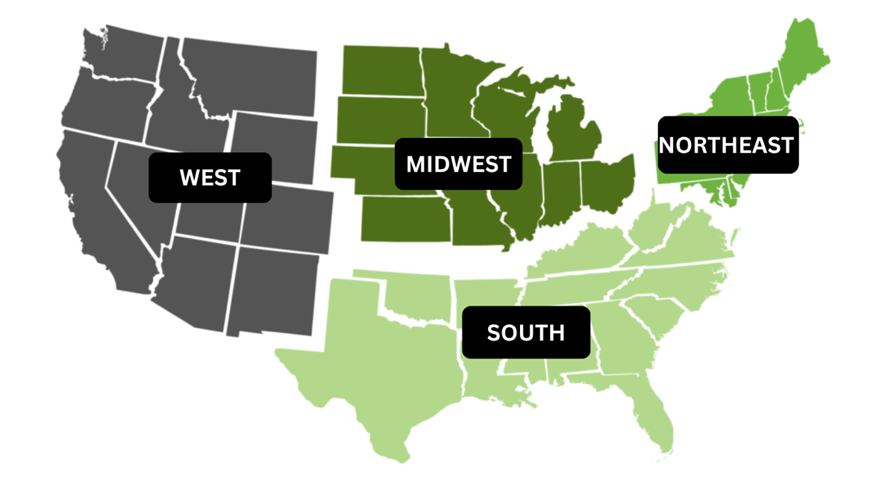
About This Report:
The National Workforce Displacement Report has been developed by the International Corrugated Packaging Foundation (ICPF) to track publicly available information related to announced plant closures and workforce reductions across the United States. The goal is to provide timely workforce intelligence that may help companies identify potential recruitment opportunities, better understand regional labor market trends, and proactively support workforce planning efforts. The report is organized into four tabs by region:

